Explonation
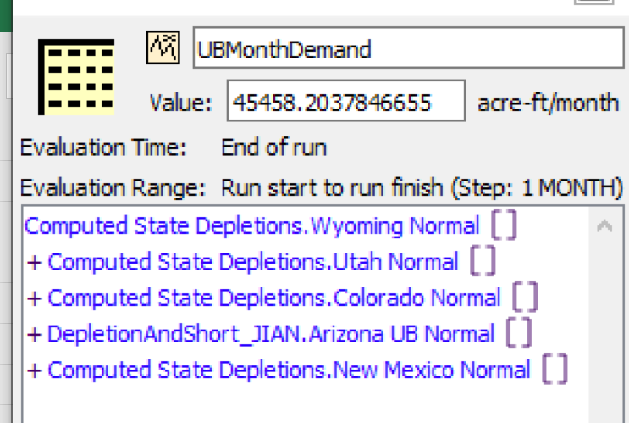
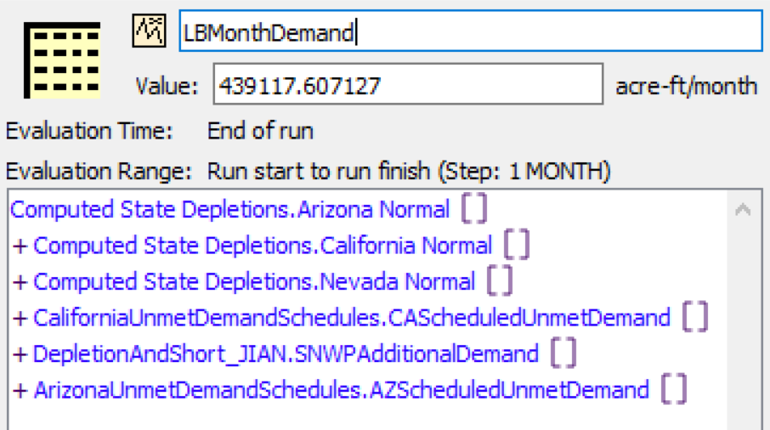
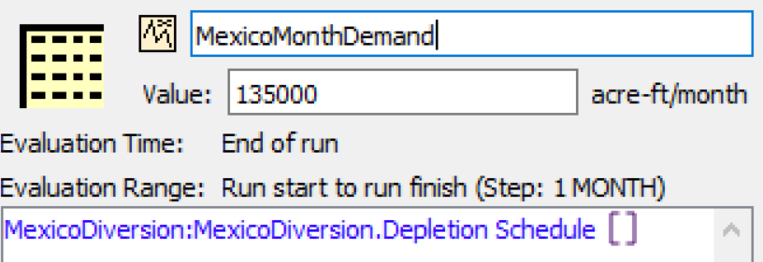
Demand scenarios are not changed in this file
TotalUpper0 | DepletionAndShort_JIAN.UBMonthDemand
TotalLower0 | DepletionAndShort_JIAN.LBMonthDemand
TotalLowerMexico0 | DepletionAndShort_JIAN.LBMonthDemand + DepletionAndShort_JIAN.MexicoMonthDemand

